Sheet1
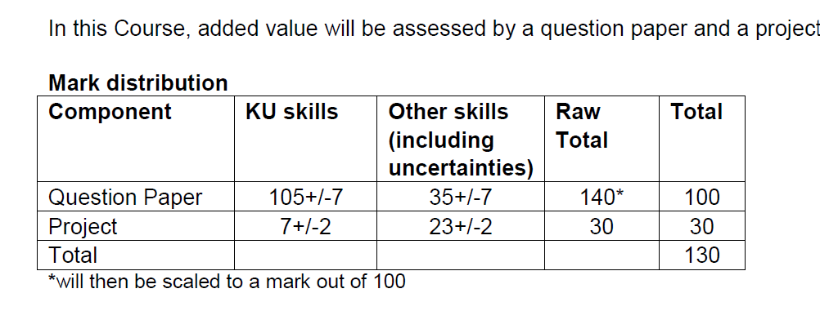
AH

year | total scaled | A | A% | B | B% | C | C% | D | D%
2019 | 130 | 90 | 69 | 77 | 59 | 64 | 49 | 57 | 44
2018 | 130 | 87 | 67 | 73 | 56 | 60 | 46 | 53 | 41
2017 | 130 | 84 | 65 | 70 | 54 | 57 | 44 | 50 | 38
2016 | 130 | 84 | 65 | 72 | 55 | 61 | 47 | 55 | 42
2015 RAH | 125 | 86 | 69 | 73 | 58 | 61 | 49 | 55 | 44
2015 Trad | 125 | 85 | 68 | 72 | 58 | 60 | 54 | 54 | 43

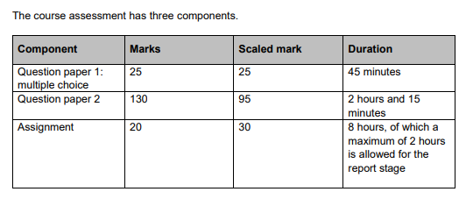
Higher

year | total scaled | A | A% | B | B% | C | C% | D | D%
2019 | 150 | 100 | 67 | 84 | 56 | 69 | 46 | 53 | 35
2018 | 120 | 79 | 66 | 67 | 56 | 55 | 46 | 49 | 41
2017 | 120 | 82 | 68 | 69 | 57 | 57 | 48 | 51 | 43
2016 | 120 | 84 | 70 | 71 | 59 | 59 | 49 | 53 | 44
2015 | 120 | 77 | 64 | 65 | 54 | 54 | 45 | 48 | 40

N5

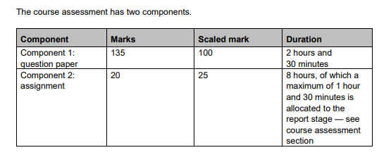
year | total scaled | A | A% | B | B% | C | C% | D | D%
2019 | 125 | 86 | 69 | 72 | 58 | 58 | 46 | 44 | 35
2018 | 125 | 86 | 69 | 72 | 58 | 58 | 46 | 44 | 35
2017 | 100 | 68 | 68 | 56 | 56 | 45 | 45 | 39 | 39
2016 | 100 | 69 | 69 | 58 | 58 | 48 | 48 | 43 | 43
2015 | 100 | 68 | 68 | 58 | 58 | 48 | 48 | 43 | 43
2014 | 100 | 68 | 68 | 57 | 57 | 47 | 54 | 42 | 42

